t-Table
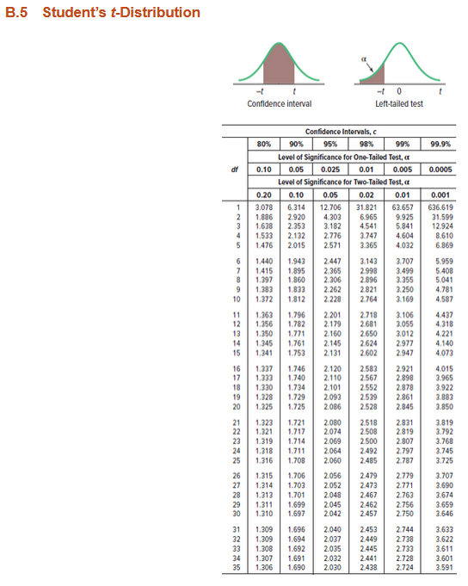
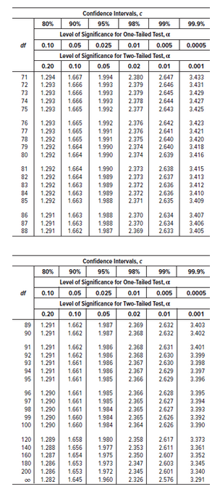
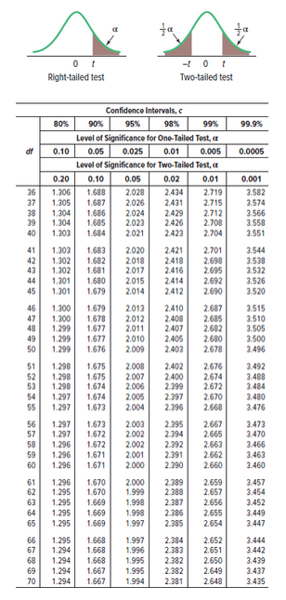
Df = n-1

Ch 6 Discrete Prob Dist
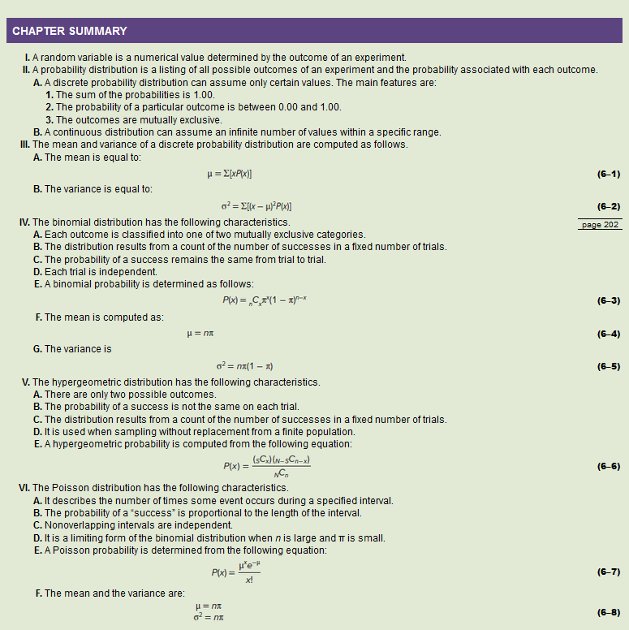
Discrete Probability Distributions

Binomial Prob Dist Ex Ch6
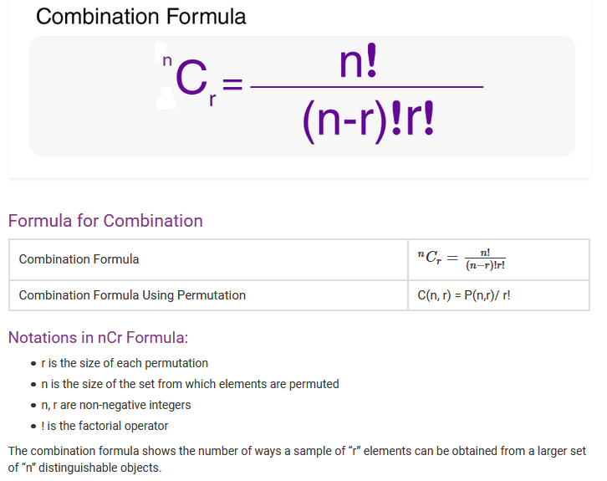
 |  |  |  |  |  | Ex13. An American Society of Investors survey found 30% of individual investors have used a discount broker. In a random sample of nine individuals, what is the probability:
 |  |  |  |  |  |  | a. Exactly two of the sampled individuals have used a discount broker? |  |  |  |  |  |  |  | c. None of them have used a discount broker?

 |  |  |  |  |  |  |  |  |  | success is… |  | have used a discount broker |  |  |  |  | success is… |  | have used a discount broker
 |  |  |  |  |  |  |  |  |  | number of trials | n | 9 |  |  |  |  | number of trials | n | 9
 |  |  |  |  |  |  |  |  |  | random variable number of successes | x | 2 |  |  |  |  | random variable number of successes | x | 0
 |  |  |  |  |  |  |  |  |  | prob of success on each trial | pi | 0.30 |  |  |  |  | prob of success on each trial | pi | 0.30

 |  |  |  |  |  |  |  |  |  | population mean | mu | 2.700 |  |  |  |  | population mean | mu | 2.700
 |  |  |  |  |  |  |  |  |  | population variance | sigma-squared | 1.890 |  |  |  |  | population variance | sigma-squared | 1.890
 |  |  |  |  |  |  |  |  |  | population std dev | sigma | 1.375 |  |  |  |  | population std dev | sigma | 1.375

 |  |  |  |  |  |  |  |  |  |  | nCx | 36 |  |  |  |  |  | nCx | 1
 |  |  |  |  |  |  |  |  |  |  | pi^x | 0.09 |  |  |  |  |  | pi^x | 1.00
 |  |  |  |  |  |  |  |  |  |  | (1-pi)^(n-x) | 0 |  |  |  |  |  | (1-pi)^(n-x) | 0
 |  |  |  |  |  |  |  |  |  |  | P(x) | 0.2668 |  |  |  |  |  | P(x) | 0.0404
 |  |  |  |  |  |  |  |  |  |  | P(x) | 0.2668 |  |  |  |  |  | P(x) | 0.0404

 |  |  |  |  |  |  | b. Exactly four of them have used a discount broker?

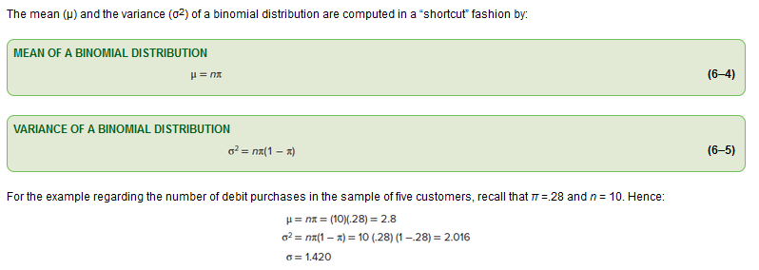
 |  |  |  |  |  |  |  |  |  | success is… |  | have used a discount broker
 |  |  |  |  |  |  |  |  |  | number of trials | n | 9
 |  |  |  |  |  |  |  |  |  | random variable number of successes | x | 4
 |  |  |  |  |  |  |  |  |  | prob of success on each trial | pi | 0.30

 |  |  |  |  |  |  |  |  |  | population mean | mu | 2.700
 |  |  |  |  |  |  |  |  |  | population variance | sigma-squared | 1.890
 |  |  |  |  |  |  |  |  |  | population std dev | sigma | 1.375

 |  |  |  |  |  |  |  |  |  |  | nCx | 126
 |  |  |  |  |  |  |  |  |  |  | pi^x | 0.01
 |  |  |  |  |  |  |  |  |  |  | (1-pi)^(n-x) | 0
 |  |  |  |  |  |  |  |  |  |  | P(x) | 0.1715
 |  |  |  |  |  |  |  |  |  |  | P(x) | 0.1715

 |  |  |  |  |  | Ex17. A recent survey by the American Accounting Association revealed 52% of accountants have the Certified Public Accounting (CPA) certificate. Suppose we select a sample of 15 accountants.

 |  |  |  |  |  |  | a. What is the random variable? How is the random variable distributed? Why?
success is… |  | debit purchase |  |  | debit purchase |  | The random variable is the number of accountants that are CPAs. It is a binomial probability distribution because...
number of trials | n | 10 |  | n | 10 |  |  | 1. any possible outcome is either true or false. An accountant is either a CPA or not. True and false is not possible
random variable number of successes | x | 5 |  | x | 6 |  |  | 2. the random variable (x) is a fixed number of CPAs in a known number of accountants (n).
prob of success on each trial | pi | 28% |  | pi | 28% |  |  | 3. we know the probability of an accountant being a CPA (pi) and it is the same for each of the accountants (n).
 |  |  |  |  |  |  |  | 4. the trials are all independent. There is no pattern to the trials and the outcome of a particular trial does not effect the outcome of any other trial.

population mean | mu | 2.800 |  | mu | 2.800 |  | b. What is the probability that five of the 15 accountants are CPAs? |  |  |  |  |  |  | c. What is the probability that seven or eight of the 15 accountants are CPAs? |  |  |  |  |  |  |  | d. What is the mean of the distribution of "number of CPA's among 15 accountants?
population variance | sigma-squared | 2.016 |  | sigma-squared | 2.016 |  |  |  |  | success is… |  | have the CPA certificate |  |  |  |  | success is… |  | have the CPA certificate |  |  |  | 7.800
population std dev | sigma | 1.420 |  | sigma | 1.420 |  |  |  |  | number of trials | n | 15 |  |  |  |  | number of trials | n | 15 | 15
 |  |  |  |  |  |  |  |  |  | random variable number of successes | x | 5 |  |  |  |  | random variable number of successes | x | 7 | 8
 | nCx | 252 |  | nCx | 210 |  |  |  |  | prob of success on each trial | pi | 0.52 |  |  |  |  | prob of success on each trial | pi | 0.52 | 0.52
 | pi^x | 0.00 |  | pi^x | 0.00
 | (1-pi)^(n-x) | 0 |  | (1-pi)^(n-x) | 0 |  |  |  |  |  |  |  |  |  |  |  |  |  |  |  |  | e. What is the variance of the distribution of "number of CPA's among 15 accountants?
 | P(5) | 0.0839 |  | P(6) | 0.0272 |  |  |  |  | population mean | mu | 7.800 |  |  |  |  | population mean | mu | 7.800 | 7.800 |  |  | 3.744
 |  |  |  |  |  |  |  |  |  | population variance | sigma-squared | 3.744 |  |  |  |  | population variance | sigma-squared | 3.744 | 3.744
 | P(5) | 0.0839 |  | P(6) | 0.0272 |  |  |  |  | population std dev | sigma | 1.935 |  |  |  |  | population std dev | sigma | 1.935 | 1.935
 | P(<5) | 0.8819 |  | P(<6) | 0.9658
 | P(<=5) | 0.9658 |  | P(<=6) | 0.9930 |  |  |  |  |  | nCx | 3003 |  |  |  |  |  | nCx | 6435 | 6435
 | P(>=5) | 0.1181 |  | P(>=6) | 0.0342 |  |  |  |  |  | pi^x | 0.04 |  |  |  |  |  | pi^x | 0.01 | 0.01
 | P(>5) | 0.0342 |  | P(>6) | 0.0070 |  |  |  |  |  | (1-pi)^(n-x) | 0 |  |  |  |  |  | (1-pi)^(n-x) | 0 | 0
 |  |  |  |  |  |  |  |  |  |  | P(x) | 0.0741 |  |  |  |  |  | P(x) | 0.1864 | 0.2020
 |  | P(5or6) | 0.1111 |  |  |  |  |  |  |  | P(x) | 0.0741 |  |  |  |  |  | P(x) | 0.1864 | 0.2020
 |  | P(5thru6) | 0.1111
 |  |  |  |  |  |  |  |  |  |  |  |  |  |  |  |  |  | P(7or8) | 0.3884

 |  |  |  |  |  | Ex23. The speed with which utility companies can resolve problems is very important. GTC, the Georgetown Telephone Company, reports it can resolve customer problems the same day they are reported in 70% of the cases. Suppose the 15 cases reported today are representative of all complaints.
 |  |  |  |  |  |  | The random variable is the number of problems resolved same day. It is a binomial probability distribution because...
 |  |  |  |  |  |  |  | 1. any possible outcome is either true or false. A problem is either resolved same day or not. True and false is not possible
 |  |  |  |  |  |  |  | 2. the random variable (x) is a fixed number of solved problems in a known number of total problems (n).
 |  |  |  |  |  |  |  | 3. we know the probability of a problem being resolved (pi) and it is the same for each of the problem (n).
 |  |  |  |  |  |  |  | 4. the trials are all independent. There is no pattern to the trials and the outcome of a particular trial does not effect the outcome of any other trial.

 |  |  |  |  |  |  | a. How many of the problems would you expect to be resolved today? What is the standard deviation? |  |  |  |  |  |  |  |  | c. What is the probability 10 or 11 of the problems can be resolved today? |  |  |  |  |  |  |  | d. What is the probability more than 10 of the problems can be resolved today?
 |  |  |  |  |  |  |  | 10.500 |  |  |  |  |  |  |  |  |  |  | success is… |  | problem is resolved | problem is resolved |  |  | success is… |  | problem is resolved
 |  |  |  |  |  |  |  | 1.775 |  |  |  |  |  |  |  |  |  |  | number of trials | n | 15 | 15 |  |  | number of trials | n | 15
 |  |  |  |  |  |  |  |  |  |  |  |  |  |  |  |  |  |  | random variable number of successes | x | 10 | 11 |  |  | random variable number of successes | x | 10
 |  |  |  |  |  |  | b. What is the probability 10 of the problems can be resolved today? |  |  |  |  |  |  |  |  |  |  |  | prob of success on each trial | pi | 0.70 | 0.70 |  |  | prob of success on each trial | pi | 0.70
 |  |  |  |  |  |  |  |  |  | success is… |  | problem is resolved
 |  |  |  |  |  |  |  |  |  | number of trials | n | 15 |  |  |  |  |  |  |  |  |  |  |  |  |  | P(x) | 0.4845 | =BINOM.DIST(AV79,AV78,AV80,TRUE)
 |  |  |  |  |  |  |  |  |  | random variable number of successes | x | 10 |  |  |  |  |  |  | population mean | mu | 10.500 | 10.500
 |  |  |  |  |  |  |  |  |  | prob of success on each trial | pi | 0.70 |  |  |  |  |  |  | population variance | sigma-squared | 3.150 | 3.150 |  |  |  | P(>10) | 0.5155 | =1-AV82
 |  |  |  |  |  |  |  |  |  |  |  |  |  |  |  |  |  |  | population std dev | sigma | 1.775 | 1.775 |  |  |  |  | Calculating the individual probabilities P(11) through P(15) and adding them will yield the same result.

 |  |  |  |  |  |  |  |  |  | population mean | mu | 10.500 |  |  |  |  |  |  |  | nCx | 3003 | 1365
 |  |  |  |  |  |  |  |  |  | population variance | sigma-squared | 3.150 |  |  |  |  |  |  |  | pi^x | 0.03 | 0.02
 |  |  |  |  |  |  |  |  |  | population std dev | sigma | 1.775 |  |  |  |  |  |  |  | (1-pi)^(n-x) | 0 | 0
 |  |  |  |  |  |  |  |  |  |  |  |  |  |  |  |  |  |  |  | P(x) | 0.2061 | 0.2186
 |  |  |  |  |  |  |  |  |  |  | nCx | 3003 |  |  |  |  |  |  |  | P(x) | 0.2061 | 0.2186
 |  |  |  |  |  |  |  |  |  |  | pi^x | 0.03
 |  |  |  |  |  |  |  |  |  |  | (1-pi)^(n-x) | 0 |  |  |  |  |  |  |  | P(10or11) | 0.4248
 |  |  |  |  |  |  |  |  |  |  | P(x) | 0.2061
 |  |  |  |  |  |  |  |  |  |  | P(x) | 0.2061

 |  |  |  |  |  | Ex43. In a recent study, 35% of people surveyed indicated chocolate was their favorite flavor of ice cream. Suppose we select a sample of 10 people and ask them to name thier favorite flavor of ice cream.
 |  |  |  |  |  |  | a. How many of those in the sample would you expect to name chocolate?
 |  |  |  |  |  |  |  | 3.5

 |  |  |  |  |  |  | b. What is the probability exactly four of those in the sample name chocolate? |  |  |  |  |  |  |  | c. What is the probability four or more name chocolate?

 |  |  |  |  |  |  |  |  |  | success is… |  | chocolate is favorite |  |  |  |  |  | success is… |  | chocolate is favorite
 |  |  |  |  |  |  |  |  |  | number of trials | n | 10 |  |  |  |  |  | number of trials | n | 10
 |  |  |  |  |  |  |  |  |  | random variable number of successes | x | 4 |  |  |  |  |  | random variable number of successes | x | 4
 |  |  |  |  |  |  |  |  |  | prob of success on each trial | pi | 0.35 |  |  |  |  |  | prob of success on each trial | pi | 0.35

 |  |  |  |  |  |  |  |  |  | population mean | mu | 3.500 |  |  |  |  |  | population mean | mu | 3.500
 |  |  |  |  |  |  |  |  |  | population variance | sigma-squared | 2.275 |  |  |  |  |  | population variance | sigma-squared | 2.275
 |  |  |  |  |  |  |  |  |  | population std dev | sigma | 1.508 |  |  |  |  |  | population std dev | sigma | 1.508

 |  |  |  |  |  |  |  |  |  |  | nCx | 210 |  |  |  |  |  |  | nCx | 210
 |  |  |  |  |  |  |  |  |  |  | pi^x | 0.02 |  |  |  |  |  |  | pi^x | 0.02
 |  |  |  |  |  |  |  |  |  |  | (1-pi)^(n-x) | 0 |  |  |  |  |  |  | (1-pi)^(n-x) | 0
 |  |  |  |  |  |  |  |  |  |  | P(4) | 0.2377 |  |  |  |  |  |  | P(4) | 0.2377
 |  |  |  |  |  |  |  |  |  |  | P(4) | 0.2377 |  |  |  |  |  |  | P(4) | 0.2377 | =BINOM.DIST(AK129,AK128,AK130,FALSE)

 |  |  |  |  |  |  |  |  |  |  |  |  |  |  |  |  |  |  | P(<4) | 0.5138 | =BINOM.DIST(AK129-1,AK128,AK130,TRUE)
 |  |  |  |  |  |  |  |  |  |  |  |  |  |  |  |  |  |  | P(>=4) | 0.4862 | =1 - BINOM.DIST(AK129-1,AK128,AK130,TRUE)

 |  |  |  |  |  | Ex47. A federal study reported that 7.5% of the US workforce has a drug problem. A drug enforcement official for the state of Indiana wishes to investigate this statement. In her sample of 20 employed workers:

 |  |  |  |  |  |  | success is… |  | has a drug problem |  |  | has a drug problem
 |  |  |  |  |  |  | number of trials | n | 20 |  | n | 20 |  |  | a. How many would you expect to have a drug problem? What is the standard deviation?
 |  |  |  |  |  |  | random variable number of successes | x | 0 |  | x | 1 |  |  |  | 1.500
 |  |  |  |  |  |  | prob of success on each trial | pi | 7.5% |  | pi | 7.5% |  |  |  | 1.178

 |  |  |  |  |  |  |  |  |  |  |  |  |  |  | b. What is the likelihood that none of the workers sampled has a drug problem?
 |  |  |  |  |  |  | population mean | mu | 1.500 |  | mu | 1.500 |  |  |  | 0.2103
 |  |  |  |  |  |  | population variance | sigma-squared | 1.388 |  | sigma-squared | 1.388
 |  |  |  |  |  |  | population std dev | sigma | 1.178 |  | sigma | 1.178 |  |  | c. What is the likelihood at least one has a drug problem?
 |  |  |  |  |  |  |  |  |  |  |  |  |  |  |  | 0.7897
 |  |  |  |  |  |  |  | nCx | 1 |  | nCx | 20
 |  |  |  |  |  |  |  | pi^x | 1.00 |  | pi^x | 0.08
 |  |  |  |  |  |  |  | (1-pi)^(n-x) | 0 |  | (1-pi)^(n-x) | 0
 |  |  |  |  |  |  |  | P(0) | 0.2103 |  | P(1) | 0.3410

 |  |  |  |  |  |  |  | P(0) | 0.2103 |  | P(1) | 0.3410
 |  |  |  |  |  |  |  | P(<0) | 0.0000 |  | P(<1) | 0.2103
 |  |  |  |  |  |  |  | P(<=0) | 0.2103 |  | P(<=1) | 0.5513
 |  |  |  |  |  |  |  | P(>=0) | 1.0000 |  | P(>=1) | 0.7897
 |  |  |  |  |  |  |  | P(>0) | 0.7897 |  | P(>1) | 0.4487

 |  |  |  |  |  |  |  |  | P(0or1) | 0.5513
 |  |  |  |  |  |  |  |  | P(0thru1) | 0.5513

 |  |  |  |  |  | Ex67. According to the U.S. government, it costs more to make a penny, 0.0241, than a penny′s value, 0.01. The U.S government has considered eliminating pennies from its currency. Canada and Australia decided to eliminate pennies from their currencies.
 |  |  |  |  |  |  | As part of the decision, a survey of adult Americans found that two-thirds said that pennies should not be eliminated. If we randomly selected 12 adults:
 |  |  |  |  |  |  |  | success is… |  | pennies should not be eliminated |  |  | pennies should not be eliminated |  |  |  | a. Of the 12 adults, how many would we expect to support continued use of the penny?
 |  |  |  |  |  |  |  | number of trials | n | 12 |  | n | 12 |  |  |  |  | 8.000
 |  |  |  |  |  |  |  | random variable number of successes | x | 8 |  | x | 7 |  |  |  | b. What is the likelihood that eight adults would support continued use of the penny?
 |  |  |  |  |  |  |  | prob of success on each trial | pi | 67% |  | pi | 67% |  |  |  |  | 0.2384
 |  |  |  |  |  |  |  |  |  |  |  |  |  |  |  |  | c. What is the likelihood that the majority of the 12 people, that is seven or more adults, would support the continued use of the penny?
 |  |  |  |  |  |  |  |  |  |  |  |  |  |  |  |  |  | 0.8223
 |  |  |  |  |  |  |  | population mean | mu | 8.000 |  | mu | 8.000
 |  |  |  |  |  |  |  | population variance | sigma-squared | 2.667 |  | sigma-squared | 2.667
 |  |  |  |  |  |  |  | population std dev | sigma | 1.633 |  | sigma | 1.633

 |  |  |  |  |  |  |  |  | nCx | 495 |  | nCx | 792
 |  |  |  |  |  |  |  |  | pi^x | 0.04 |  | pi^x | 0.06
 |  |  |  |  |  |  |  |  | (1-pi)^(n-x) | 0 |  | (1-pi)^(n-x) | 0
 |  |  |  |  |  |  |  |  | P(8) | 0.2384 |  | P(7) | 0.1908

 |  |  |  |  |  |  |  |  | P(8) | 0.2384 |  | P(7) | 0.1908
 |  |  |  |  |  |  |  |  | P(<8) | 0.3685 |  | P(<7) | 0.1777
 |  |  |  |  |  |  |  |  | P(<=8) | 0.6069 |  | P(<=7) | 0.3685
 |  |  |  |  |  |  |  |  | P(>=8) | 0.6315 |  | P(>=7) | 0.8223
 |  |  |  |  |  |  |  |  | P(>8) | 0.3931 |  | P(>7) | 0.6315

 |  |  |  |  |  |  |  |  |  | P(8or7) | 0.4292
 |  |  |  |  |  |  |  |  |  | P(8thru7) | 0.0000

Ch 7 Continuous Prob Dist
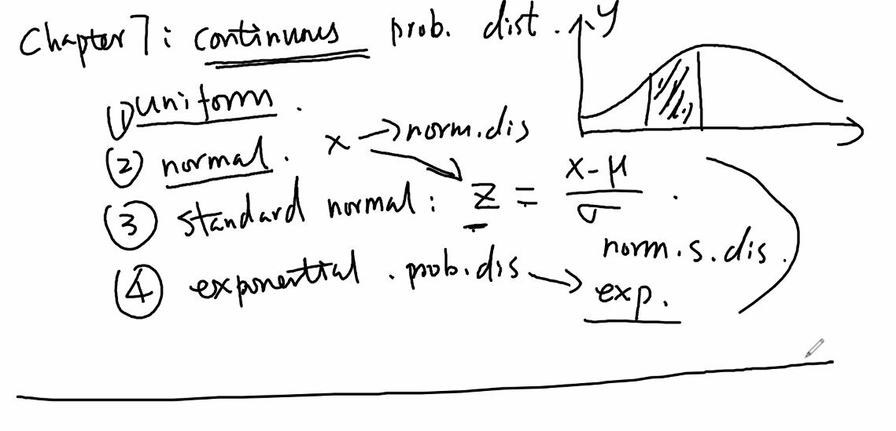

Ch 8 Review
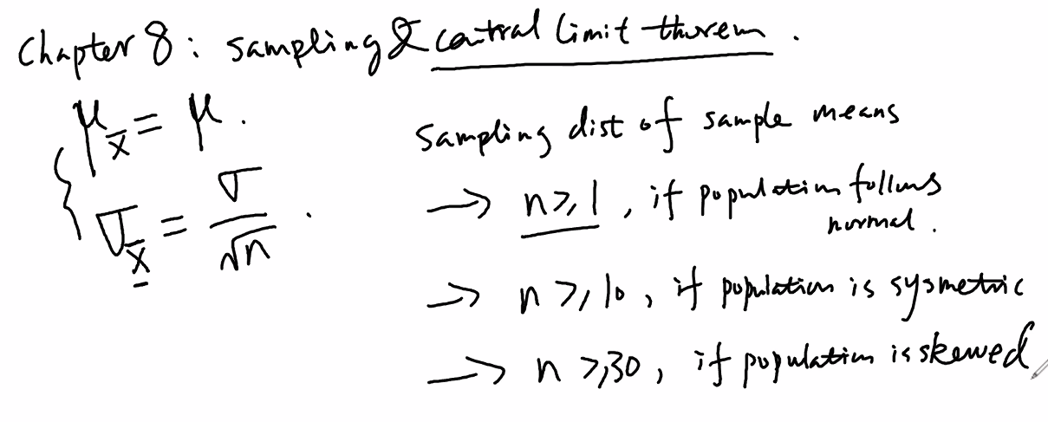

Ch 9 Review
Sigma known |  |  | Sigma unknown
 |  |  | Same as known but t values rather than z values
95% | z | 1.960 | 95% | t
99% | z | 2.575 | 99% | t
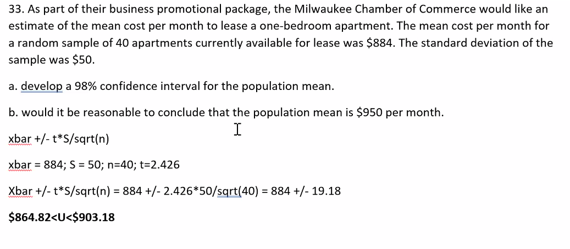
90% | z | 1.645 | 90% | t
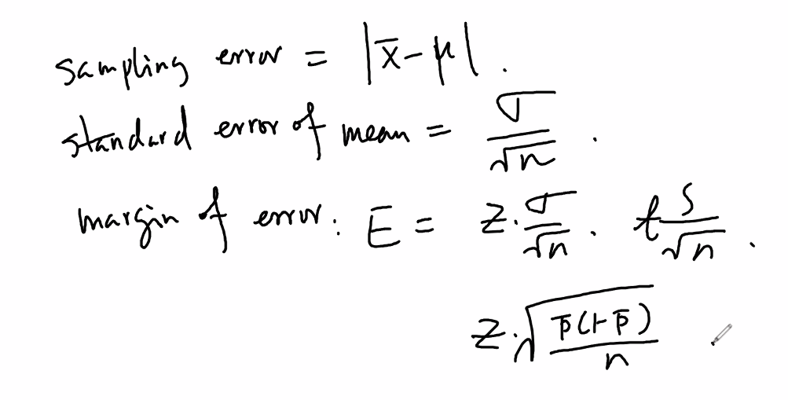
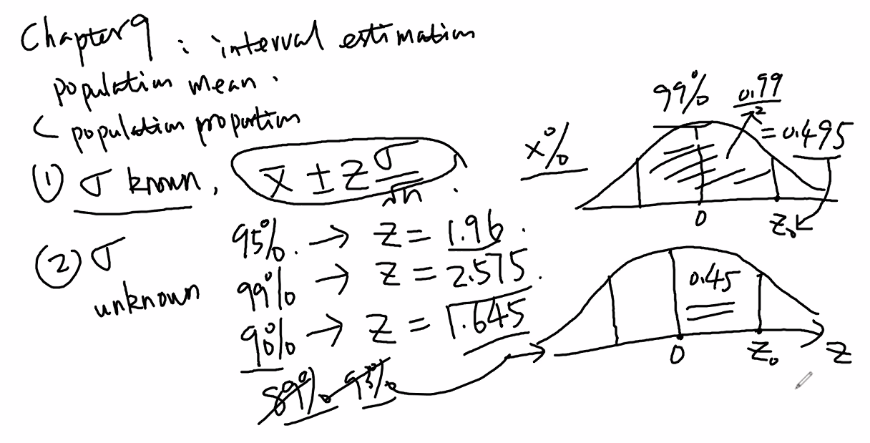

 |  |  |  |  | std error of the proportion
 |  |  |  |  | SEp = sqrt [ p ( 1 - p) / n]

Review 1
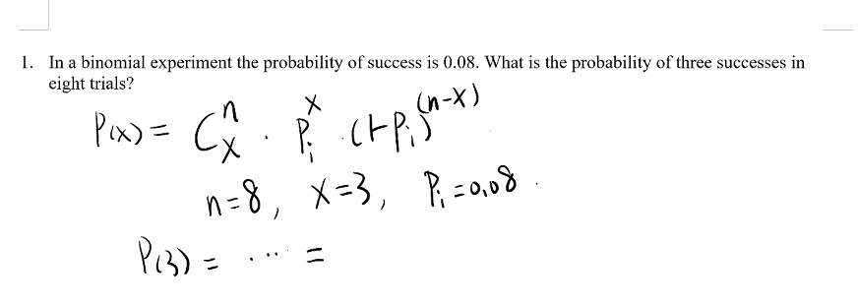
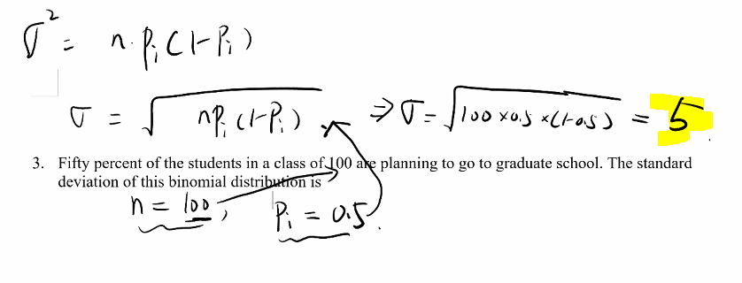

 | Xi | P(xi
 | 1 | 0.1
 | 2 | 0.2
 | 3 | 0.3

 | Mu = | 1.4

0.018897185433

Review 2
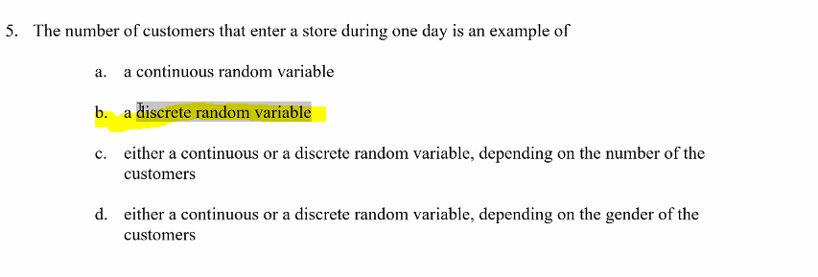
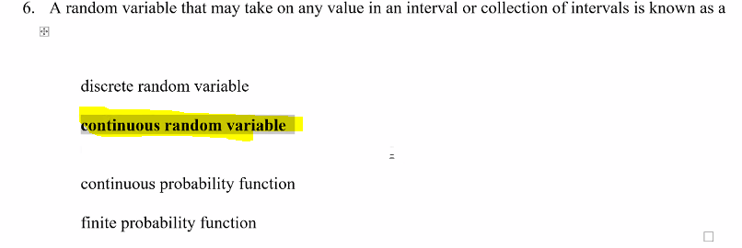

Review 3
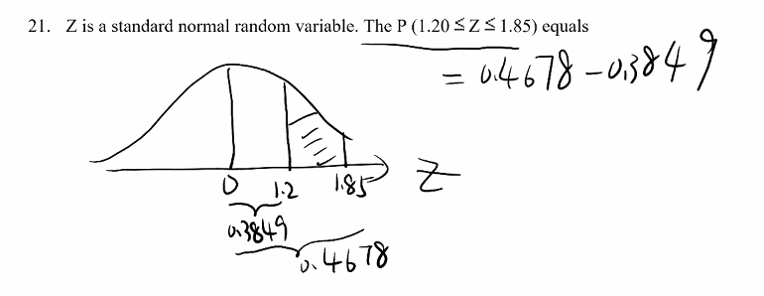
 | 0.88493032978
 | 0.9678432252
 | 0.082912895426

0.73891370031
0.35197270758
0.38694099273

Review 5
 | order doesn’t matter combination

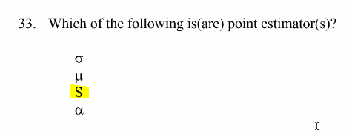

 | z-table | 2.365 | per z-table
x-Bar too

Review 6
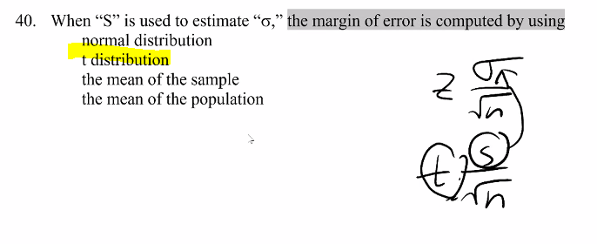

1
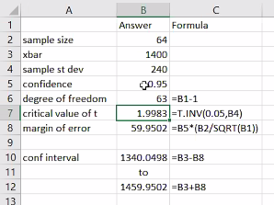
1

Exhibit 8-5
A random sample of 64 SAT scores of students applying for merit scholarships showed an average of 1400 with a standard deviation of 240.

47 | Refer to Exhibit 8-5. If we want to provide a 95% confidence interval for the SAT scores, the degrees of freedom for reading the critical values of “t” statistic is
48 | Refer to Exhibit 8-5. The “t” value for this interval estimation is
49 | Refer to Exhibit 8-5. The margin of error at 95% confidence is
50 | Refer to Exhibit 8-5. The 95% confidence interval for the SAT scores is

3
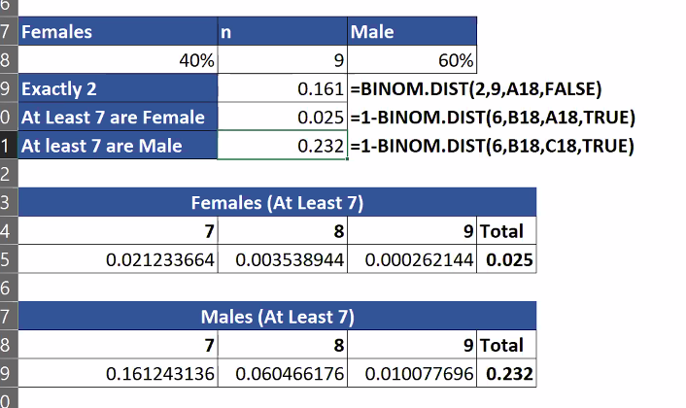
3
Exhibit 5-2

The student body of a large university consists of 40% female students. A random sample of 9 students is selected.

What is the probability that among the students in the sample exactly two are female?

 | What is the probability that among the students in the sample at least 7 are female?

What is the probability that among the students in the sample at least 7 are male?

